pivot_dashboard
Average of Test_Scores | Sum of Screen_Time | Sum of Screen_Time | Sum of Extra_Curricular_Hours | Row Labels | Sum of Test_Scores
70.936 | 802 | 802 | 307.9 | 13 | 3094.1
 |  |  |  | 14 | 2544
 |  |  |  | 15 | 2625.5
 |  |  |  | 16 | 3459
 |  |  |  | 17 | 2464.6
 |  |  |  | Grand Total | 14187.2

 | Screen_Time | Test_Scores
2.7 | 2.7 | 75
4.0 | 4.0 | 68
4.3 | 4.3 | 68
2.8 | 2.8 | 47
1.8 | 1.8 | 78
4.4 | 4.4 | 72
6.7 | 6.7 | 88
4.6 | 4.6 | 69
4.1 | 4.1 | 76
4.1 | 4.1 | 78
3.6 | 3.6 | 53
5.8 | 5.8 | 96
4.1 | 4.1 | 66
2.0 | 2.0 | 75
1.6 | 1.6 | 76
4.1 | 4.1 | 62
5.6 | 5.6 | 89
4.4 | 4.4 | 73
3.5 | 3.5 | 68
4.7 | 4.7 | 71
4.3 | 4.3 | 78
5.2 | 5.2 | 70
6.0 | 6.0 | 79
2.6 | 2.6 | 53
0.5 | 0.5 | 63
3.5 | 3.5 | 49
2.5 | 2.5 | 90
5.2 | 5.2 | 90
2.9 | 2.9 | 76
1.2 | 1.2 | 60
3.1 | 3.1 | 94
1.8 | 1.8 | 64
6.4 | 6.4 | 68
4.7 | 4.7 | 72
5.0 | 5.0 | 75
4.8 | 4.8 | 76
5.3 | 5.3 | 77
5.7 | 5.7 | 72
3.2 | 3.2 | 77
1.9 | 1.9 | 72
2.7 | 2.7 | 76
3.9 | 3.9 | 75
0.2 | 0.2 | 78
5.7 | 5.7 | 76
1.2 | 1.2 | 66
4.9 | 4.9 | 75
3.7 | 3.7 | 77
4.4 | 4.4 | 57
3.3 | 3.3 | 67
4.3 | 4.3 | 76
...

process
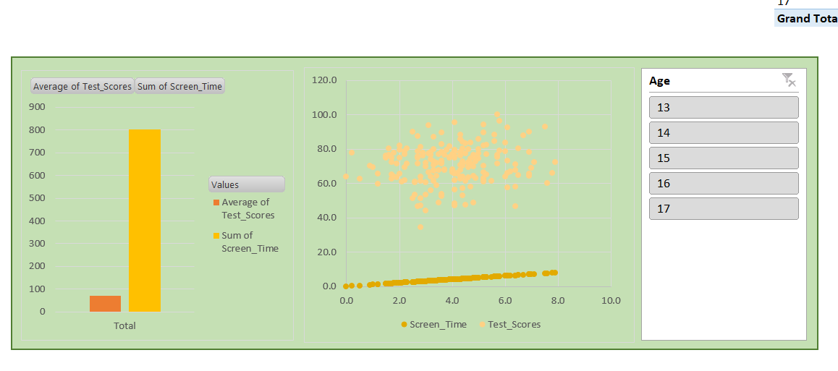
Educational Analytics: Impact of Screen Time on Student Performance

 | Data Cleaning

 |  |  | Identify and handle missing values

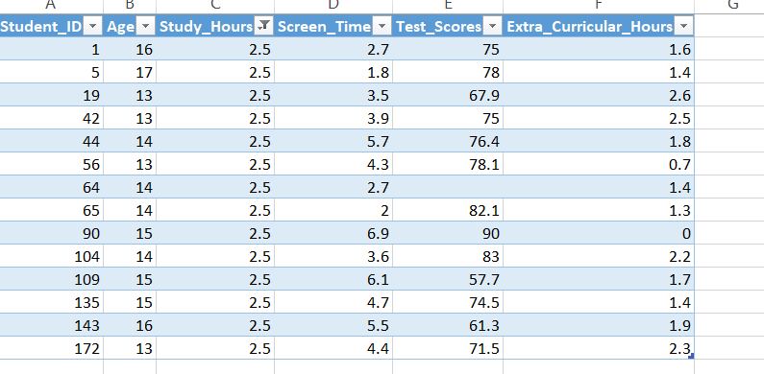

 | 1) study_hours has missing values and I replace with median value

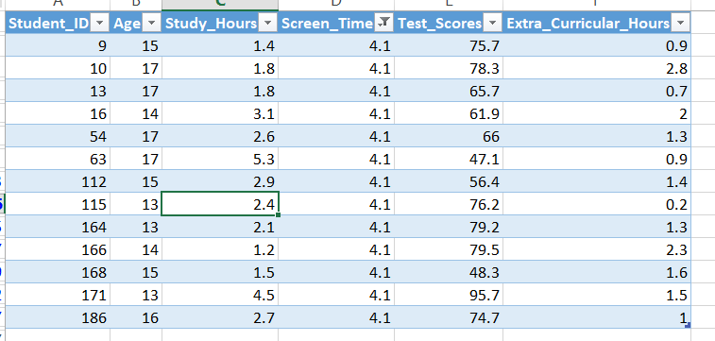
 | 2) screen_time has also missing values and I replace with mesian value

 | 3) Test_score has also missing values and I replace with median value

 | Remove duplicate records

 | 1) so we have 5 duplicate values and removed
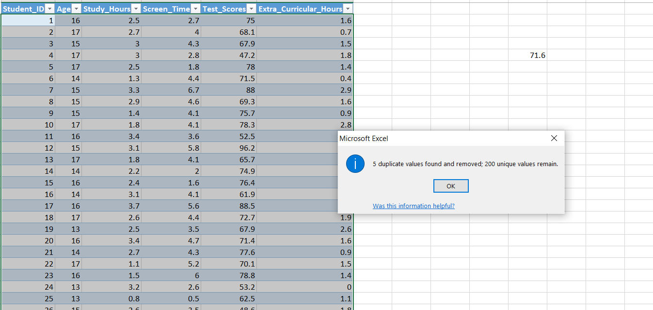

 | Ensure consistent formatting (e.g., numeric columns, proper column names)

 | 1) we areconverting the general coloum into numaracial colum
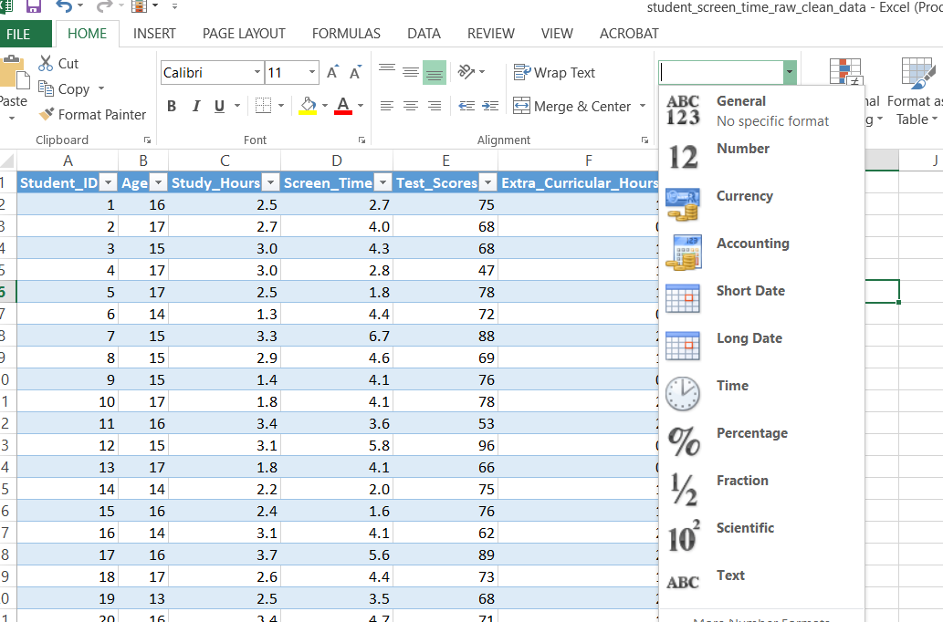

 | Data Transformation

 |  | Create new calculated fields if needed
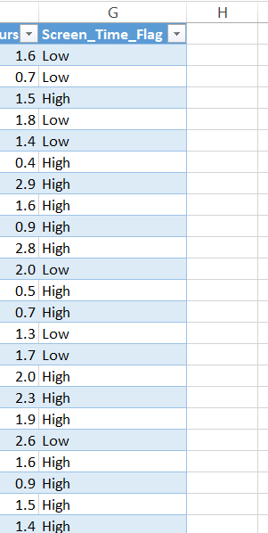

 | Pivot Tables

 | Charts & Dashboards

